HECM RI Calculator
HECM Residual Income Calculator
 |  |  |  |  |  |  |  |  |  |  | Questions:
 |  |  |  | HECM Residual Income Requirements Based on Region and Family Size |  |  |  |  |  |  | Purchase or refi:
 | Total Income Calculation |  |  | Family Size |  | Northeast |  | Midwest | South | West | Property Address: |  |  |  |  | # yrs
 |  |  |  | 1 |  | $540 |  | $529 | $529 | $589 | Any cash out loans: |  |  |  |  | Date:
 | SS Income, award - spouse 1 |  | $0 | 2 |  | $906 |  | $886 | $886 | $998 | What is your DOB: |  |  |  |  | Spouse
 | SS Income, award - spouse 2 |  | $0 | 3 |  | $946 |  | $927 | $927 | $1,031 | Property Value:
 | Pension Income |  | $0 | 4 or more |  | $1,066 |  | $1,041 | $1,041 | $1,160 | Mortgage Liens: | 1st |  | 2nd |  | Total
 | Pension Income |  | $0 |  |  |  |  |  |  |  | Aprox Credit Score: |  |  |  |  | Lates
 | Annuity Income |  | $0 | Region |  | States |  |  |  |  | Property Taxes/mo: |  |  |  |  | Lates
 | Verfied Rental Income |  | $0 | Northeast |  | CT, MA, ME, NH, NJ, NY, PA, RI, VT |  |  |  |  | Home Insurance/mo: |  |  |  |  | Lates
 | Total Monthly Income |  | $0 | Midwest |  | IA, IL, IN, KS, MI, MN, MO, ND, NE, OH, SD, WI |  |  |  |  | HOA dues/mo: |  |  |  |  | Lates
 |  |  |  | South |  | AL, AR, DC, DE, FL, GA, KY, LA, MD, MS, NC, OK, PR, SC, TN, TX, VA, WI WV |  |  |  |  | Aprox credit debt/mo: |  |  |  |  | Lates
 |  |  |  | West |  | AK, AZ, CA, CO, HI, ID, MT, NM, NV, OR, UT, WA, WY |  |  |  |  | Are you legally married:
 |  |  |  |  |  |  |  |  |  |  | How many in household:
 | Total Expense Calculation |  |  |  |  |  |  |  |  |  | Solar: | Lease | Owned
 |  |  |  |  |  |  |  |  |  |  | Goal: | Pay Mtg | Income | Cash Out | Invest
* | Monthly Property Taxes |  | $0 | Enter Residual Income Requirement Amount From the Family Size Chart Above
* | Monthly HOA |  | $0
* | Monthly HOI |  | $0 |  |  |  |  |  |  |  | Credit Information HECM
 | Home sq footage = | 0 | $0 |  |  |  |  |  |  |  | 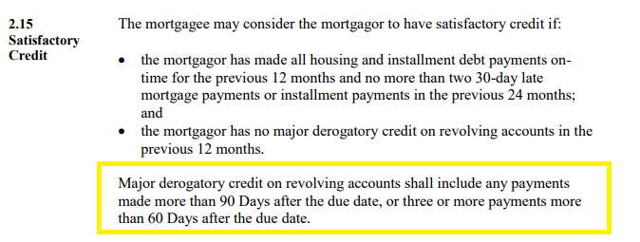
** | Monthly Debt Payments |  | $0
 | Total Expenses |  | $0
 |  |  |  |  | Single |  | Couple
 |  |  |  |  | 529 |  | 998
 | Resulting Residual Income |  | $0
 | Single overage/shortage |  | ($529)
 | Couple overage/shortage |  | -$998 |  | * no lates in past 24 months
 |  |  |  |  | **See chart at right

*If Residual Income results in a shortfall, carry the shortfall results for this borrower's family size to the asset dissipation tab to see if RI can work using liquid assets as income

